TECHNICAL SHEET GARMENT
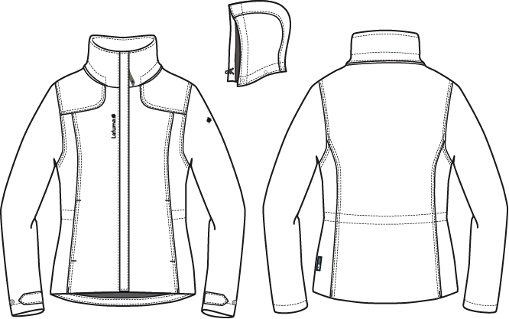
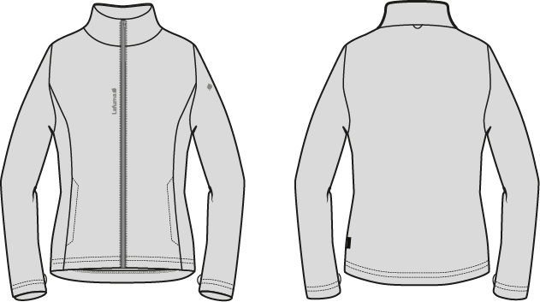
 |  | TECHNICAL SHEET GARMENT | WINTER 2018/19
LFV11534 | LD CALDO 3in1 HEATHER |  | INDEX | V1BULK
FABRIC / SUPPLIER : | 06302 - LIBOLON / PR21 - LOCAL |  | DEVELOPPER |  | MARJORIE
DATE | 2020-01-03 |  | SUPPLIER : |  | PRIMA CHANNEL

WOMEN JKT COUNTER SAMPLE
 |  |  | COUNTER SAMPLE |  |  |  |  |  |  | WINTER 2018/19
LFV11534 | LD CALDO 3in1 HEATHER |  |  |  |  |  |  |  |  | INDEX | V1BULK
FABRIC / SUPPLIER : | 06302 - LIBOLON / PR21 - LOCAL |  |  |  |  |  |  |  |  | DEVELOPPER |  | MARJORIE
DATE | 2020-01-03 |  |  |  |  |  |  |  |  | SUPPLIER : |  | PRIMA CHANNEL

 | MEASUREMENTS TAKEN ON FINISH PRODUCT |  |  |  |  | 銷售樣 |  | 大貨
 | OUTER PRODUCT MEASUREMENTS IN CM 外夾克 |  |  |  | ALLOWANCES | Measures to follow for mahing SMS | SMS measure color BLACK the 27/11/2017 | Measures to follow for BULK size M
 | FRONT JACKET MEASUREMENTS (IN CM)
 | B | FRONT BREADTH AT 13CM FROM HPS |  | 上胸寬(領肩點下13cm) | +/- 0,5 cm | 37 | 37 | 37
 | C | 1/2 CHEST ROUND |  | 1/2胸圍(腋點量) | +/- 1 cm | 52.5 | 52 | 52.5 | -0.5
 | D | 1/2 WAIST ROUND AT 42CM FROM HPS |  | 1/2腰圍(領肩點下42cm) | +/- 1 cm | 48 | 48 | 48
 | IA' | 1/2 BOTTOM ROUND STRETCHED |  | 1/2下襬(平量) | +/- 1 cm | 54.5 | 54 | 54.5 | -0.5
 | JA | TOTAL LENGHT FROM HPS |  | 前身長(領肩點量) | +/- 1 cm | 69 | 68.5 | 69 | -0.5
 | KA | SHOULDER LENGHT |  | 單肩寬 | +/- 0.5 cm | 11.5 | 11.5 | 11.5
 | KD | ARMHOLE HEIGHT |  | 袖襱直量 | +/- 0.5 cm | 23 | 22 | 23 | -1
 | LA | 1/2 UPPER ARM WIDTH |  | 1/2袖寬(腋點垂直量) | +/- 0,5 cm | 20.5 | 20.5 | 20.5
 | LB | 1/2 ELBOW WIDTH AT 27CM FROM BOTTOM |  | 1/2肘寬(袖口上27cm) | +/- 0,5 cm | 17 | 17.5 | 17 | 0.5
 | LC' | 1/2 CUFF WIDTH STRETCHED |  | 1/2袖口寬(平量) | +/- 0,5 cm | 14 | 14.2 | 14
 | N | TOTAL SLEEVE LENGHT |  | 袖長(肩點量) | +/- 1 cm | 64 | 64 | 64
 | BACK JACKET MEASUREMENTS (IN CM)
 | R | BACK BREADTH AT 13CM FROM HPS |  | 後背寬(領肩點下13cm) | +/- 0,5 cm | 39.5 | 39.5 | 39.5
 | S | CENTER BACK LENGTH |  | 後身長(後領圍中心量) | +/- 1 cm | 70 | 69.5 | 70 | -0.5
 | COLLAR MEASUREMENTS (IN CM)
 | UA1 | NECK WIDTH |  | 領寬 | +/- 1 cm | 20 | 21 | 20 | 1
 | UA2 | FRONT NECK DEPTH |  | 前領深 | +/- 1 cm | 9 | 9 | 9
 | UB1 | NECKLINE LENGHT |  | 下領圍(不含拉鍊) | +/- 1 cm | 51 | 52 | 52
 | UB2 | COLLAR LENGHT AT THE TOP EDGE |  | 上領圍(不含拉鍊) | +/- 1 cm | 49 | 50 | 50
 | UC1 | COLLAR HEIGHT AT CENTER BACK & FRONT |  | 後領高 | +/- 0,5 cm | 8.5 | 8.5 | 8.5
 | HOOD MEASUREMENTS (IN CM)
 | VA | HOOD LENGTH |  | 帽中長 | +/- 1 cm | 49 | 49 | 49
 | VB | HOOD WIDTH AT 18CM FROM BACK NECKLINE |  | 1/2帽寬(領肩點上18cm) | +/- 0,5 cm | 26 | 26 | 26
 | VHA | HOOD HEIGHT ON FRONT |  | 帽前高(開口處) | +/- 0,5 cm | 33 | 33.5 | 33 | 0.5
 | VHB | HOOD HEIGHT ON SHOULDER POINT |  | 帽前高(領肩點) | +/- 0,5 cm | 34 | 33 | 34 | -1
 | OTHER MEASUREMENTS (IN CM)
 | Z1 | MIDDLE FRONT ZIPPER LENGHT |  | 門襟拉鍊長 | +/- 0,5 cm | 68 | 68 | 68
 | Z2 | FRONT POCKET LENGHT |  | 側袋開口長 | +/- 0,5 cm | 18 | 18 | 18

 | MEASUREMENTS TAKEN ON FINISH PRODUCT |  |  |  |  | 銷售樣 |  | 大貨
 | INNER JKT PRODUCT MEASUREMENTS IN CM 內夾克 |  |  |  | ALLOWANCES | Measures to follow for mahing SMS | SMS measure color BLACK the 27/11/2017 | Measures to follow for BULK size M
 | FRONT FLEECE MEASUREMENTS (IN CM)
 | B | FRONT BREADTH AT 13CM FROM HPS |  | 上胸寬(領肩點下13cm) | +/- 0,5 cm | 35 | 36 | 35 | 1
 | C | 1/2 CHEST ROUND |  | 1/2胸圍(腋點量) | +/- 1 cm | 50 | 53 | 50 | 3
 | D | 1/2 WAIST ROUND AT 42CM FROM HPS |  | 1/2腰圍(領肩點下42cm) | +/- 1 cm | 45 | 49 | 45 | 4
 | IA' | 1/2 BOTTOM ROUND STRETCHED |  | 1/2下襬(平量) | +/- 1 cm | 51 | 54 | 51 | 3
 | JA | TOTAL LENGHT FROM HPS |  | 前身長(領肩點量) | +/- 1 cm | 65 | 65.5 | 65 | 0.5
 | KA | SHOULDER LENGHT |  | 單肩寬 | +/- 0.5 cm | 11.5 | 12 | 11 | 1
 | KD | ARMHOLE HEIGHT |  | 袖襱直量 | +/- 0.5 cm | 22 | 22.5 | 22 | 0.5
 | LA | 1/2 UPPER ARM WIDTH |  | 1/2袖寬(腋點垂直量) | +/- 0,5 cm | 18.5 | 19 | 18.5 | 0.5
 | LB | 1/2 ELBOW WIDTH AT 27CM FROM BOTTOM |  | 1/2肘寬(袖口上27cm) | +/- 0,5 cm | 14.5 | 15 | 14.5 | 0.5
 | LC' | 1/2 CUFF WIDTH STRETCHED |  | 1/2袖口寬(平量) | +/- 0,5 cm | 13 | 13 | 13
 | N | TOTAL SLEEVE LENGHT |  | 袖長(肩點量) | +/- 1 cm | 62 | 62 | 62
 | BACK FLEECE MEASUREMENTS (IN CM)
 | R | BACK BREADTH AT 13CM FROM HPS |  | 後背寬(領肩點下13cm) | +/- 0,5 cm | 39 | 39 | 39
 | S | CENTER BACK LENGTH |  | 後身長(後領圍中心量) | +/- 1 cm | 65 | 66 | 65 | 1
 | COLLAR MEASUREMENTS (IN CM)
 | UA1 | NECK WIDTH |  | 領寬 | +/- 1 cm | 18 | 18 | 18
 | UA2 | FRONT NECK DEPTH |  | 前領深 | +/- 1 cm | 8 | 9 | 8 | 1
 | UB1 | NECKLINE LENGHT |  | 下領圍(不含拉鍊) | +/- 1 cm | 44 | 44.5 | 44 | 0.5
 | UB2 | COLLAR LENGHT AT THE TOP EDGE |  | 上領圍(不含拉鍊) | +/- 1 cm | 42 | 43.5 | 42 | 1.5
 | UC1 | COLLAR HEIGHT AT CENTER BACK |  | 後領高 | +/- 0,5 cm | 7.5 | 7.5 | 7.5
 | OTHER MEASUREMENTS (IN CM)
 | Z1 | MIDDLE FRONT ZIPPER LENGHT |  | 門襟拉鍊長 | +/- 0,5 cm | 64 | 64 | 64
 | Z2 | FRONT POCKET LENGHT |  | 側袋開口長 | +/- 0,5 cm | 17 | 16 | 17 | -1

 | Comments - 24/04/2017
 | This is the evolution of the LFV11194, be careful we have change the fabric and th style.
 | Please send us the first sample in correct fabric, available colors & trims trims

 | Comments on 1st sample the 01/06/2017
 | OUTER JACKET
 | Reduce collar height by 1cm to have 8,5cm
 | Reduce hood lenght by 2cm to have 49cm (refer to picture below)
 | Centered front flap on the middle (refer to picture)
 | Remove back shoulder yoke
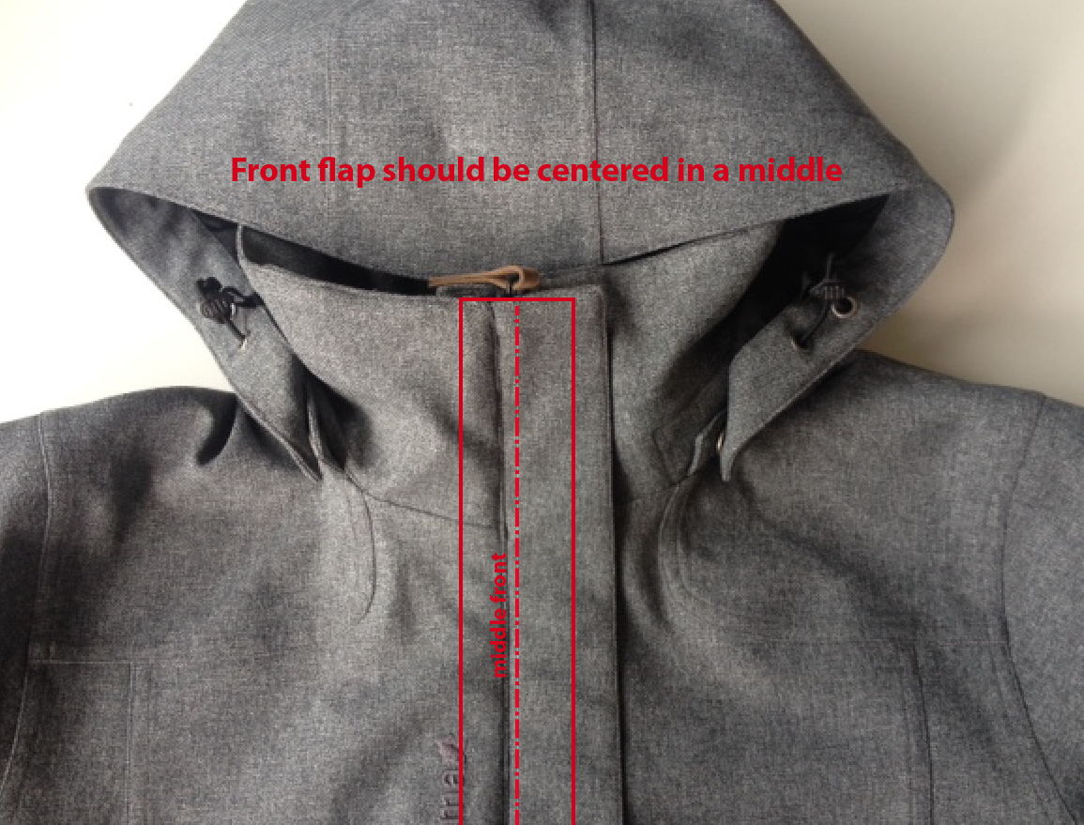
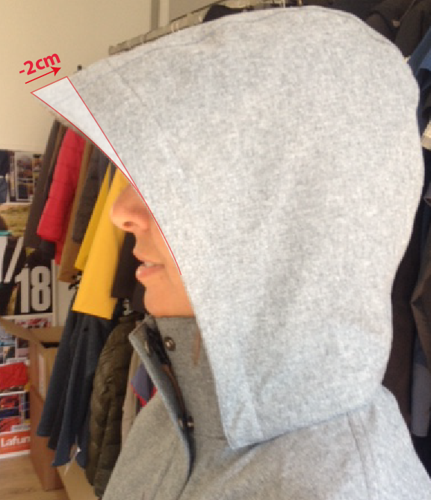

 | Comments on 1st sample the 01/06/2017
 | INNER JACKET
 | Reduce front breadth by 2cm to have 35cm
 | Reduce shoulder lenght by 0,5cm to have 11,5cm (it's 12cm on sample)

 | Please follow comments and improve before making SMS

 | Comments in Taipei on 15/07/2017
 | OUTER JACKET
 | Use zipper ZP072, only on front zipper
 | Remove patched shell 1 on back neckline lining
 | Use woven label LW034 i/o LW033 on back neckline lining
 | Remove Hang tag technowarm

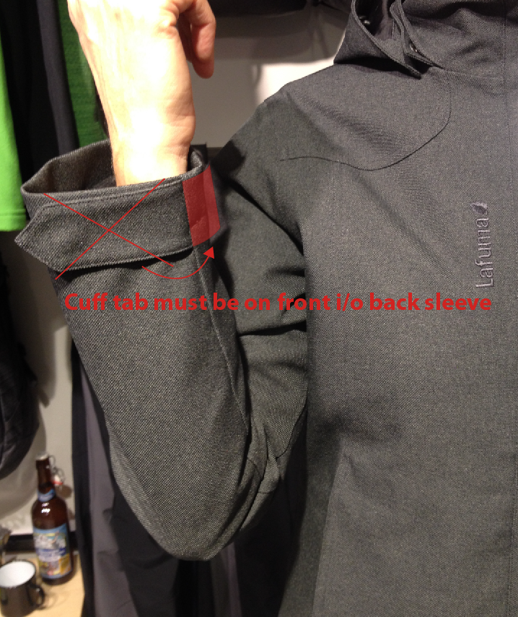
 | INNER JACKET
 | Change fabric for TEXMACO E3400 i/o LOCAL PR21
 | Remove embroideries
 | Remove label technowarm

 | Comments on SMS the 21/11/2017
 | HANG TAG
 | Hang tag corporate and climactive must be small # HT-394082-E & HT-394146-E

 | OUTER JACKET
 | Cuff tab adjustement should be on front sleeve, not on back sleeve as SMS
 | Move 2cm down front hood adjustement (eyelet, stopper, elastic cord)

 | INNER JACKET
 | Improve measures in yellow on chart above
 | 1/2 chest round should measure 50cm i/o 53cm on SMS
 | 1/2 waist round should measure 45cm i/o 49cm on SMS
 | 1/2 bottom round should measure 51cm i/o 54cm on SMS

 | COLORS
 | On style HEATHER GREY, hand pocket zipper colors must be #183, Embroideries should be ming shang #40028 i/o S489
 | On style POPPY, zipper cord puller should be POPPY, embroideries should be #186 i/o T144

 | QUALITY
 | INNER JACKET - on SMS one sleeve is longer than the other sleeve - improve

 | OK BULK following comments

DETAILS OUTER JKT 1
 |  | DETAILS JKT | WINTER 2018/19
LFV11534 | LD CALDO 3in1 HEATHER |  | INDEX | V1BULK
FABRIC / SUPPLIER : | 06302 - LIBOLON / PR21 - LOCAL |  | DEVELOPPER |  | MARJORIE
DATE | 2020-01-03 |  | SUPPLIER : |  | PRIMA CHANNEL
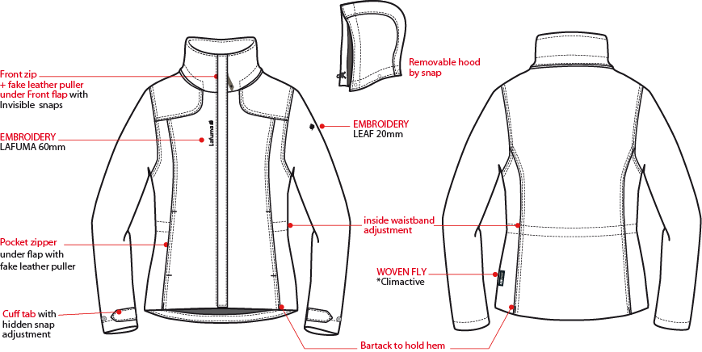
穿者右側插入式外擋風片,寬4.5cm,壓臨邊單針,釘五組15mm隱藏面彈簧壓釦,門襟車#5塑鋼拉鏈+拉片,壓臨邊線,底端兩側各打一直結,穿者左側有一表布內擋風片,壓臨邊線,靠近門襟拉鍊1cm處,壓一道1/8"雙針。
外領內釘4組15mm隱藏面彈簧壓釦上半套。表布領布條釘4組下半套,可與帽底&外領扣合。
表布帽絆壓臨邊線，車黏扣帶勾面2x6cm，帽後中車毛面2x10cm。。

1/4"雙針
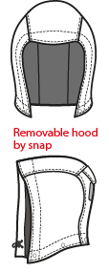

繡花2cm
1/4"雙針

繡花6cm
內腰210T布隧道,寬3cm,壓臨邊單針,內穿彈繩由左/右側袋內各一個10mm雞眼穿出+繩釦+小淚珠+迴紋帶(L:1.5cm),迴紋帶夾車於帶內貼旁,加打結固定。

側袋車#5尼龍反拉,向上拉合,袋口壓臨邊線,上/下打橫結,袋裏:表布袋貼+210T。

可拆式帽子,帽底釘4組15mm隱藏面彈簧壓釦上半套,可與領布條扣合。
表布袖絆壓臨邊單針,尾端釘1組15mm隱藏面彈簧壓釦上半套。袖口釘2組15mm下半套,間隔4cm。袖口反折高3cm,壓單針對齊袖絆尖端。

織標LW050-E

下襬不壓明線,打1個橫結(後中x1),4個直結(前後公主線底端),固定下襬內貼。

DETAILS LINING JKT 1
 |  | DETAILS LINING OUTER JKT | WINTER 2018/19
LFV11534 | LD CALDO 3in1 HEATHER |  | INDEX | V1BULK
FABRIC / SUPPLIER : | 06302 - LIBOLON / PR21 - LOCAL |  | DEVELOPPER | MARJORIE
側袋手心面
DATE: | 2020-01-03 |  | SUPPLIER : | PRIMA CHANNEL
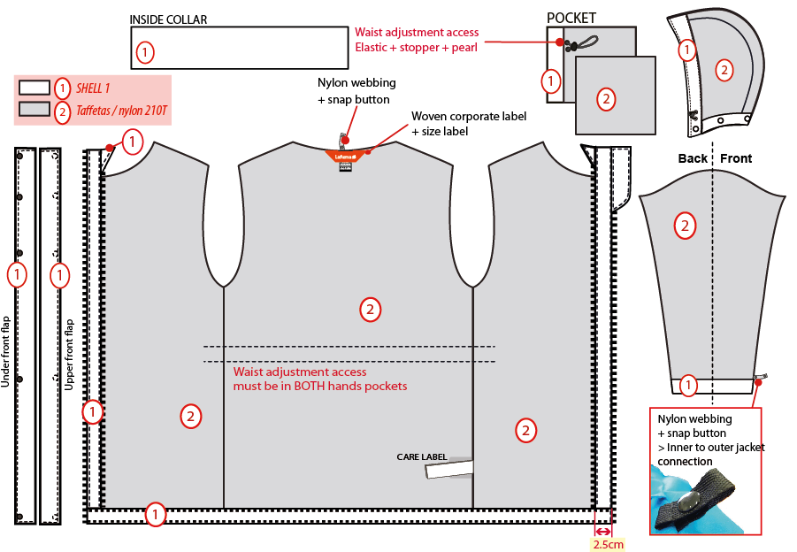
表布帽簷內貼,內穿彈繩,由左/右。各兩顆10mm雞眼穿出/入+繩釦+小淚珠+迴紋帶(L:1.5cm)。
帽底貼為表布,帽裏210T布。

內領表布

表布

210T布
內後領圍夾車吊掛式主標和尺寸標(在主標下)
側袋手背面

☆內門襟三角擋片尺寸:L:9cm W:4.5cm,上片:表布/下片:210T布。內門襟車#3塑鋼拉鍊。

袖裏210T布,袖口內貼表布。袖口以上7cm車迴紋帶釦絆。
穿者左側短版表布內擋風片,壓林邊單針,底端打結加強。

☆內後領圍中心x1和袖口內x2,需夾車迴紋帶(W:1/2" 內後領中心L:6cm /袖口L:5cm)+1組10mm四合釦,可與內夾克扣合用,迴紋帶要對折壓臨邊線.

內腰210T布隧道,寬3cm,壓臨邊單針,內穿彈繩由左/右側袋內各一個10mm雞眼穿出+繩釦+小淚珠+迴紋帶(L:1.5cm),迴紋帶夾車於帶內貼旁,加打結固定。

下襬內貼表布A寬1",壓單針。
表布門襟內貼寬2.5cm。

DETAILS INNER JKT 2
 |  | DETAILS INNER JKT | WINTER 2018/19
LFV11534 | LD CALDO 3in1 HEATHER |  | INDEX | V1BULK
FABRIC / SUPPLIER : | 06302 - LIBOLON / PR21 - LOCAL |  | DEVELOPPER |  | MARJORIE
DATE | 2020-01-03 |  | SUPPLIER : |  | PRIMA CHANNEL
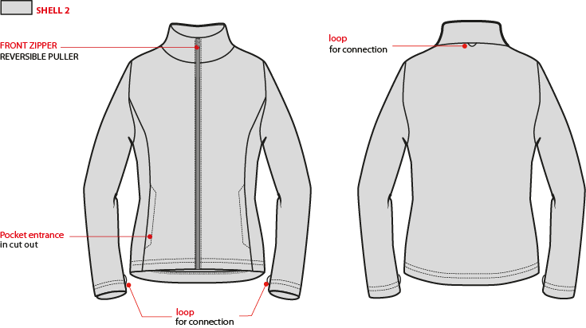
表布內領片

外後領圍中心夾車織帶耳,可與外夾克扣合用.
門襟車#3塑鋼拉鍊,旁邊壓1/4"單針,下方左/右各打一直結,拉鍊要平直不可有波浪狀.

袋唇W:5/8",壓裝飾線,袋口上/下打橫結,袋裡:表布內貼+Mesh網布.

袖口表布向內反褶1"高,壓1/4"三本雙針,底線用伸縮線,袖下剪接夾車織帶掛耳(位置如附件),可與外夾克扣合用.

DETAILS LINING JKT 2
 |  | DETAILS LINING INNER JKT | WINTER 2018/19
LFV11534 | LD CALDO 3in1 HEATHER |  | INDEX | V1BULK
FABRIC / SUPPLIER : | 06302 - LIBOLON / PR21 - LOCAL |  | DEVELOPPER |  | MARJORIE
DATE | 2020-01-03 |  | SUPPLIER : |  | PRIMA CHANNEL
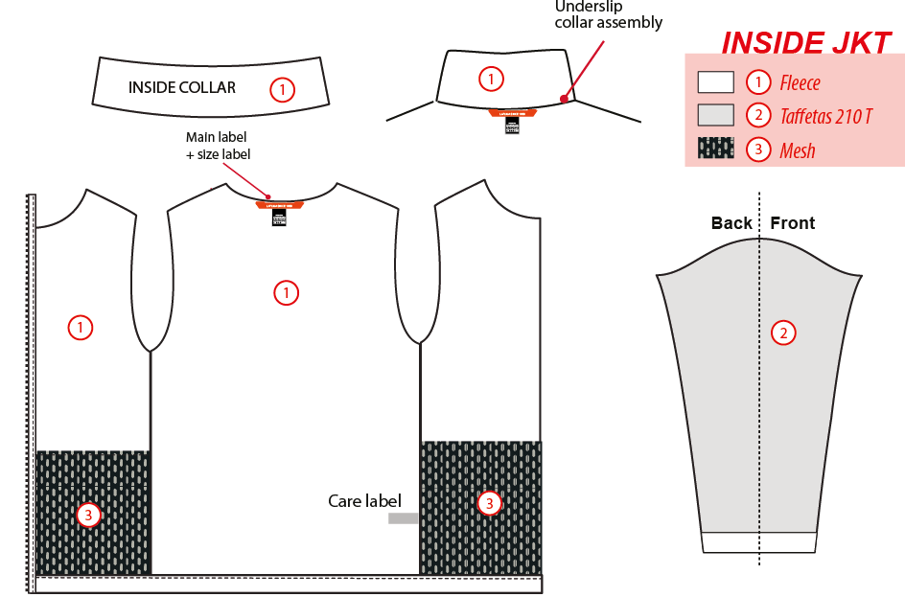
表布內領片

內夾表布

210T布

內後領圍夾車吊掛式主標和尺寸標(在主標下)
DW197網布

袖裏210T布

側袋裏外緣需與門襟/脇邊/下襬固定,頂端為包光作法。

CONNECTION DETAILS
 |  | CONNEXION DETAILS | WINTER 2018/19
LFV11534 | LD CALDO 3in1 HEATHER |  | INDEX | V1BULK
FABRIC / SUPPLIER : | 06302 - LIBOLON / PR21 - LOCAL |  | DEVELOPPER |  | MARJORIE
DATE | 2020-01-03 |  | SUPPLIER : |  | PRIMA CHANNEL
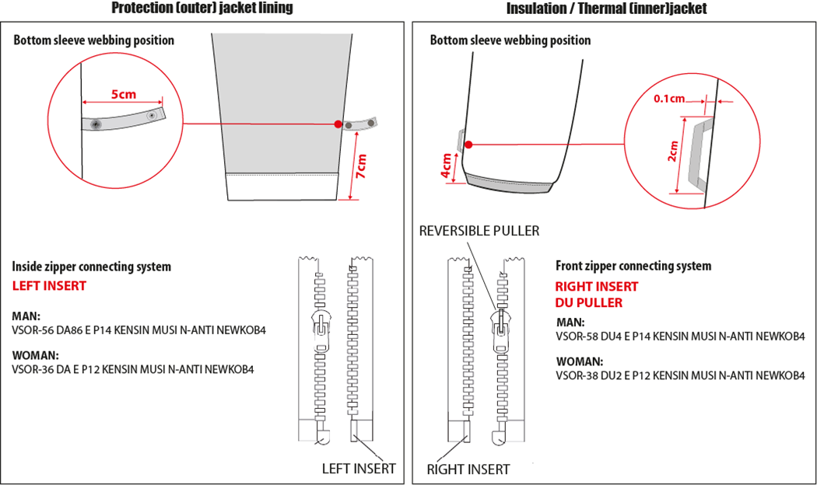

袖口以上7cm車迴紋帶釦絆(L:5cm)。
袖口以上4cm車織帶掛耳。

女款內門襟拉鍊:#3塑鋼拉鍊,左插右拉

女款內夾門襟拉鍊:#3塑鋼拉鍊,右插左拉

COLOR SKETCH
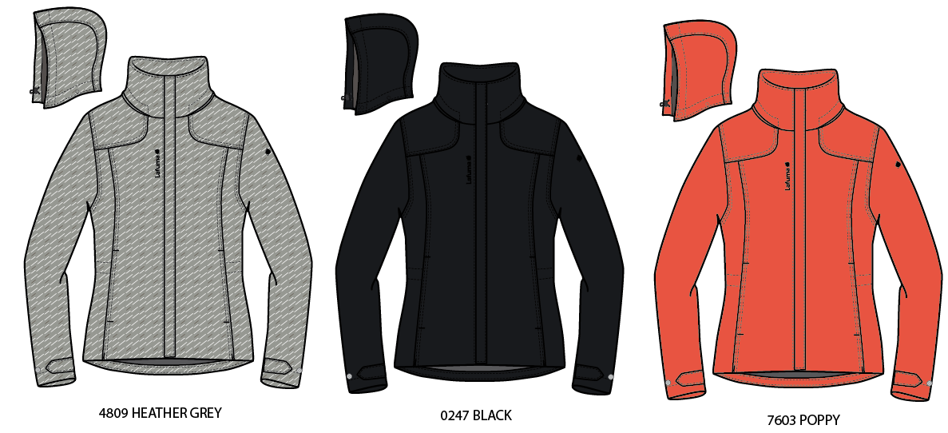
 |  | COLOR SKETCH | WINTER 2018/19
LFV11534 | LD CALDO 3in1 HEATHER |  | INDEX | V1BULK
FABRIC / SUPPLIER : | 06302 - LIBOLON / PR21 - LOCAL |  | DEVELOPPER |  | MARJORIE
DATE | 2020-01-03 |  | SUPPLIER : |  | PRIMA CHANNEL

COLOR COMBINATION
 |  | COLOR COMBINATION |  |  |  |  |  |  |  | WINTER 2018/19
LFV11534 | LD CALDO 3in1 HEATHER |  |  |  |  |  |  |  |  | INDEX | V1BULK
FABRIC / SUPPLIER : | 06302 - LIBOLON / PR21 - LOCAL |  |  |  |  |  |  |  |  | DEVELOPPER |  |  | MARJORIE
DATE | 2020-01-03 |  |  |  |  |  |  |  |  | SUPPLIER : |  |  | PRIMA CHANNEL
FABRIC OUTER JKT |  |  |  |  |  |  | HEATHER GREY 4809 | BLACK 0247 | POPPY 7603
SHELL 1 06302 5K/5K |  |  |  | LIBOLON | OUTER JKT |  | HEATHER GREY | ANTHRACITE GREY | POPPY
TAFFETAS LINING 210 T ( local sourcing) |  |  |  | LOCAL | BODY / HOOD / POCKET BAG / SLEEVES LINING |  | BLACK | BLACK | BLACK
SEAM TAPE CRITICAL ( local sourcing) |  |  |  | LOCAL | HOOD / COLLAR / NECKLINE / SHOULDER |  | CLEAR | CLEAR | CLEAR
NON WOVEN ( local sourcing) |  |  |  | LOCAL | FLAPS + EMBROIDERIES BACKSIDE |  | WHITE | WHITE | WHITE
FABRIC INNER JKT |  |  |  |  |  |  | HEATHER GREY 4809 | BLACK 0247 | POPPY 7603
SHELL 2 E3400 |  |  |  | ASIA PACIFIC | INNER JKT |  | NOIR | NOIR | POPPY
TAFFETAS LINING 210 T ( local sourcing) |  |  |  | LOCAL | SLEEVES LINING |  | BLACK | BLACK | BLACK
MESH ( local sourcing) |  |  |  | LOCAL | POCKETS BAGS |  | BLACK | BLACK | BLACK
NON WOVEN ( local sourcing) |  |  |  | LOCAL | EMBROIDERIES BACKSIDE |  | WHITE | WHITE | WHITE
TRIMMING AND ACCESSORIES OUTER JKT
 | DESCRIPTION |  | REF | SUPPLIER | DESIGNATION | QTY | HEATHER GREY 4809 | BLACK 0247 | POPPY 7603 | S | M | L | XL | XXL | XXXL
DELRIN ZIPPER #5 1 WAY - SEPARABLE - AUTO-LOCK SD51MA.RT |  |  |  | MAX zipper | Front zip | 1 | DARK GREY 156 | BLACK 580 | POPPY 818
Zipper VISLON # 3 - 1WAY - SEPARABLE - LEFT INSERT VSOR-36 DA E P12 KENSIN MUSI N-ANTI NEWKOB4 |  |  |  | YKK zipper | Front zip (inside jkt) / 3in1 system | 1 | DARK GREY 156 | BLACK 580 | POPPY 818
NYLON ZIPPER INVERTED #5 1 WAY - NON SEPARABLE - NON LOCK SN52MAX |  |  |  | MAX zipper | Hands pockets under flap | 2 | DARK GREY 183 | BLACK 580 | POPPY 818
cord puller |  |  | ZP072-E | DRAGON TIMES | Front opening (1) | 1 | BLACK | BLACK | POPPY
12mm FLAT METAL SNAP (male & female) INVISIBLE |  |  |  | LOCAL | 5x Front opening 2x cuff 5x hood + collar | 12 | ANTIC SILVER | ANTIC SILVER | ANTIC SILVER
12mm FLAT METAL SNAP MALE PART |  |  |  | LOCAL | 2x cuff | 2 | ANTIC SILVER | ANTIC SILVER | ANTIC SILVER
12mm FLAT METAL SNAP FEMALE PART |  |  |  | LOCAL | 3x top collar | 3 | ANTIC SILVER | ANTIC SILVER | ANTIC SILVER
2,5mm ELASTIC CORD |  |  |  | LOCAL | Waist adjustment inside pkt (1) Hood adjustment (1) | 2 | BLACK | BLACK | BLACK
MMG CORD STOPPER 20MM+SLIT |  |  | EIS15U-XMSTP01 | UNITEX | Waist adjustment inside pkt (2) Hood adjustment (2) | 4 | BLACK | BLACK | BLACK
PLASTIC PEARL |  |  | CP-A1 | UNITEX | Waist adjustment inside pkt (2) Hood adjustment (2) | 4 | BLACK | BLACK | BLACK
10mm METAL EYELET |  |  |  | LOCAL | Hood adjustment (4) Waist adjustment inside pkt (4) | 8 | ANTIC SILVER | ANTIC SILVER | ANTIC SILVER
5mm POLYESTER WEBBING |  |  | EIS15U-XMTRE01 | YF ZIPPER | Waist adjustment (2) Hood adjustment (2) | 4 | NOIR | NOIR | NOIR
12mm NYLON WEBBING |  |  |  | LOCAL | JKT connection bottom sleeve (2) back neckline (1) | 3 | BLACK | BLACK | BLACK
10mm PLASTIC SNAP |  |  |  | LOCAL | JKT connection bottom sleeve (2) back neckline (1) | 3 | BLACK | BLACK | BLACK
VELCRO FEMALE ( rounded corner) velvet 20x100mm |  |  |  | LOCAL | Back hood adjustment on GARMENT | 1 | TON/TON | TON/TON | TON/TON
VELCRO MALE ( rounded corner) hook 20x60mm |  |  |  | LOCAL | Back hood adjustment on FLAP | 1 | TON/TON | TON/TON | TON/TON
TRIMMING AND ACCESSORIES INNER JKT
 | DESCRIPTION |  | REF | SUPPLIER | DESIGNATION | QTY | HEATHER GREY 4809 | BLACK 0247 | POPPY 7603 | S | M | L | XL | XXL | XXXL
Zipper VISLON # 3 - 1WAY - SEPARABLE - REVERSIBLE PULLER - RIGHT INSERT VSOR-38 DU2 E P12 KENSIN MUSI N-ANTI NEWKOB4 |  |  |  | YKK zipper | Front zip | 1 | BLACK 580 | BLACK 580 | POPPY 818
MMG WEBBING 5MM WIDTH |  |  | EIS15U-XMTRE01 | YF ZIPPER | JKT connection | 3 | NOIR | NOIR | POPPY
MARKING OUTER JKT
EMBROIDERY LAFUMA 60 mm |  |  |  | LOCAL | Right front / top | 1 | DARK GREY 40028 | TARMAC S489 | POPPY 186
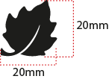 EMBROIDERY LAFUMA FEUILLE 20 mm |  |  |  | LOCAL | Left sleeve / top | 1 | DARK GREY 40028 | TARMAC S489 | POPPY 186
 WOVEN LABEL CLIMACTIVE |  |  | LW050-E | TRIPLE STAR | Insert in left side seam 7cm from bottom finish edge | 1 | BLACK | BLACK | BLACK
LABELS OUTER JKT
 WOVEN LABEL |  |  | LW034-E | SML | Neckline / centered | 1
SIZE WOVEN LABEL MMG ALPHA WOMEN /TOP |  |  | LWS18-04 | SML | Neckline / centered | 1
Care Label & P.O. Label |  |  | LC011-E | LOCAL | left side seam | 1
LABELS INNER JKT
PRINTED TAPE 5MM |  |  | WB108-E | DRAGON TIMES | Neckline / centered | 1
SIZE WOVEN LABEL MMG ALPHA WOMEN /TOP |  |  | LWS18-04 | SML | Neckline / centered | 1
Care Label & P.O. Label |  |  | LC011-E | LOCAL | left side seam | 1
HANG TAG
 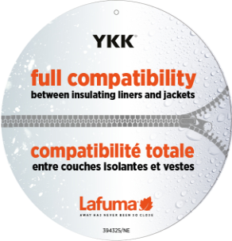 HANG TAG MIX & MATCH |  |  | HT394325/NE | TRIPLE STAR | Front zipper | 1 | STANDARD
 HANGTAG LAFUMA CORPORATE |  |  | SMALL HT-394082-E | TRIPLE STAR | left pocket zipper | 1 | STANDARD
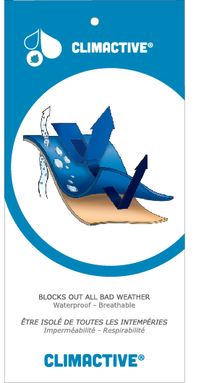 HANG TAG CLIMACTIVE |  |  | SMALL HT394146-E | TRIPLE STAR | insert inside corporate HT | 1 | STANDARD
HANG TAG PFC FREE |  |  | HT394145-E | TRIPLE STAR |  | 1 | STANDARD
 GENCODE STICKER |  |  |  | LOCAL |  | 2
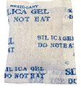 SILICA GEL DMF U FREE 5gr |  |  |  | LOCAL |  | 1
 POLYBAG |  |  |  | LOCAL |  | 1
 |  |  |  | LOCAL |  | 1

MARKING
 |  | MARKING |  |  | WINTER 2018/19
LFV11534 | LD CALDO 3in1 HEATHER |  |  |  | INDEX | V1BULK
FABRIC / SUPPLIER : | 06302 - LIBOLON / PR21 - LOCAL |  |  |  | DEVELOPPER |  | MARJORIE
DATE | 2020-01-03 |  |  |  | SUPPLIER : |  | PRIMA CHANNEL
MARKING OUTER JKT
DESIGNATION |  |  |  | POSITION
LAFUMA+楓葉繡花6cm
外夾克
穿者右前胸領圍下8cm
距外擋風片1.5cm
EMBROIDERY LAFUMA 60 mm |  |  | RIGHT TOP FRONT * VERTICAL POSITION :8 cm above neckline * ALONG FRONT: 1 ,5 cm from center flap
穿者左袖肩點下8cm
楓葉繡花2cm
Embroidery LEAF 20mm |  |  | 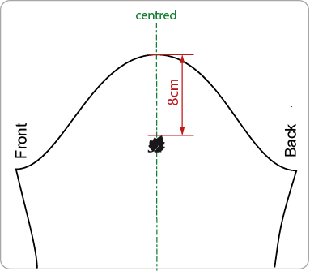 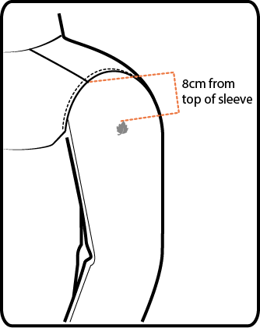 LEFT TOP SLEEVE 8 cm from top sleeve
穿者左後脇邊下襬上7cm。
WOVEN LABEL CLIMACTIVE |  |  | Insert in left side seam 7cm from bottom finish edge

JACKET SKETCH MEASUREMENTS
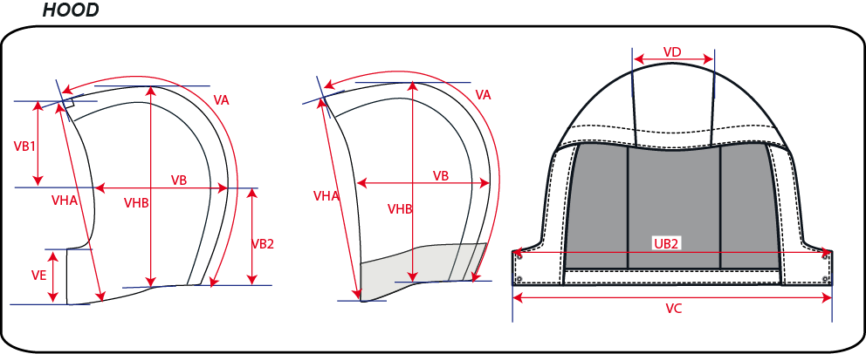
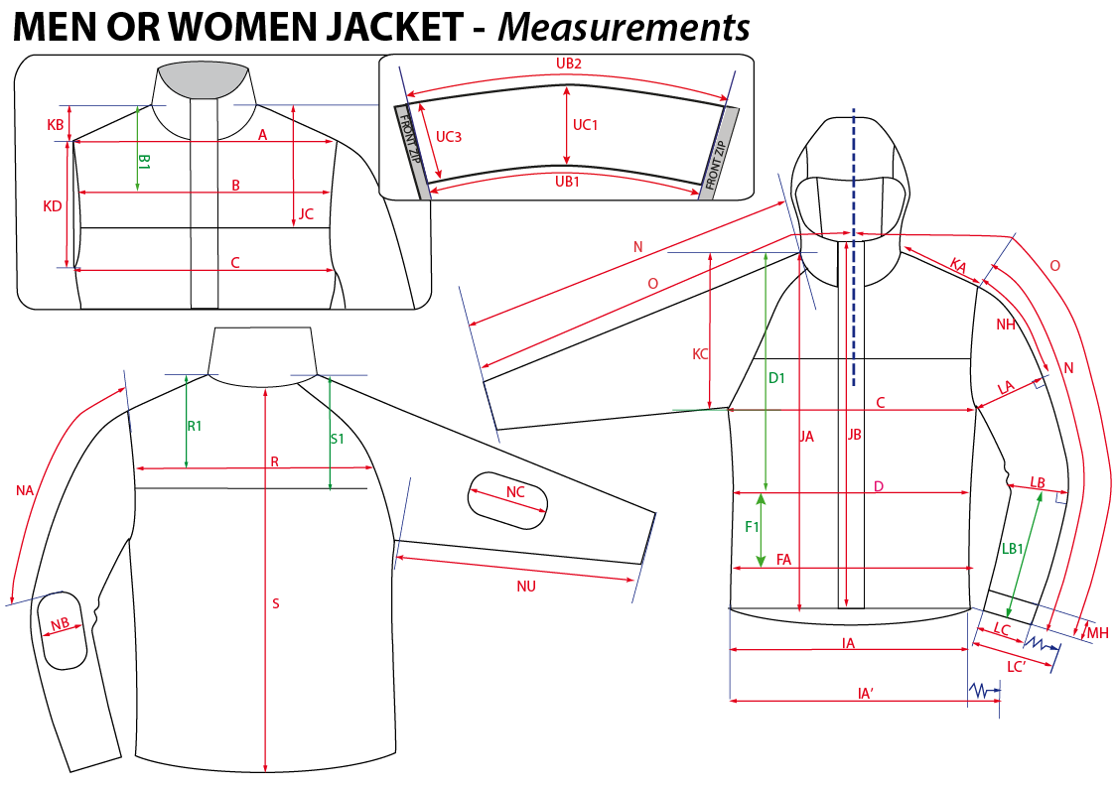
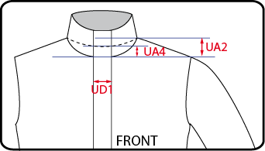
 |  | HOW TO TAKE MEASUREMENTS | WINTER 2018/19
LFV11534 | LD CALDO 3in1 HEATHER |  |  | INDEX | V1BULK
FABRIC / SUPPLIER : | 06302 - LIBOLON / PR21 - LOCAL |  | DEVELOPPER |  | MARJORIE
DATE | 2020-01-03 |  | SUPPLIER : |  | PRIMA CHANNEL

HANG TAGS
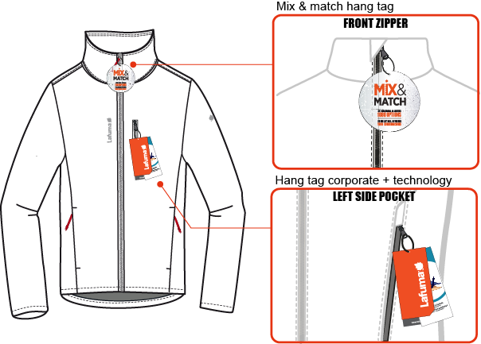
 |  | HOW TO ATTACH HANG TAGS | WINTER 2018/19
LFV11534 | LD CALDO 3in1 HEATHER |  |  | INDEX | V1BULK
FABRIC / SUPPLIER : | 06302 - LIBOLON / PR21 - LOCAL |  | DEVELOPPER |  | MARJORIE
DATE | 2020-01-03 |  | SUPPLIER : |  | PRIMA CHANNEL

